Scouts
INVENTORY LIST
 |  |  | Stock brand:

Photo | ModelVariant | Brands | Group | Sector | Model description | Selling price | Composition | Made In | ECIZ - | UNI 21 XXS.XS 3XS | 22 XS.S XXS | 23 S.M XS | 24 M.L S | 25 L.XL M | 26 XL.XXL L | 27 XL | 28 XXL | 29 3XL | 30 4XL | 31 | Total qty | Total Retail
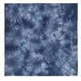 | ACC10056-U-BL | SCOUTS | BANDANA | UNISEX | TIE DYE | 5.00 | 100% COTTON | China | AND | 319 | 0 | 0 | 0 | 0 | 0 | 0 | 0 | 0 | 0 | 0 | 319 | #VALUE!
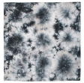 | ACC10056-U-NE | SCOUTS | BANDANA | UNISEX | TIE DYE | 5.00 | 100% COTTON | China | AND | 376 | 0 | 0 | 0 | 0 | 0 | 0 | 0 | 0 | 0 | 0 | 376 | #VALUE!
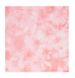 | ACC10056-U-RS | SCOUTS | BANDANA | UNISEX | TIE DYE | 5.00 | 100% COTTON | China | AND | 86 | 0 | 0 | 0 | 0 | 0 | 0 | 0 | 0 | 0 | 0 | 86 | #VALUE!
 | ACC10056-U-SE | SCOUTS | BANDANA | UNISEX | TIE DYE | 5.00 | 100% COTTON | China | AND | 129 | 0 | 0 | 0 | 0 | 0 | 0 | 0 | 0 | 0 | 0 | 129 | #VALUE!
 | ACC10155-U-BE | GREEN COVE | WALLET | UNISEX | CORK | 5.00 | 100% CORK | China | AND | 321 | 0 | 0 | 0 | 0 | 0 | 0 | 0 | 0 | 0 | 0 | 321 | #VALUE!
 | ACC10156-U-BE | GREEN COVE | WALLET | UNISEX | CORK | 5.00 | 100% CORK | China | AND | 235 | 0 | 0 | 0 | 0 | 0 | 0 | 0 | 0 | 0 | 0 | 235 | #VALUE!
 | ACC10220-U-AA | SCOUTS | PENCIL CASE | UNISEX | TRANSPARENT FANTASY | 7.50 | 100% POLYVINYL CHLORIDE | China | AND | 557 | 0 | 0 | 0 | 0 | 0 | 0 | 0 | 0 | 0 | 0 | 557 | #VALUE!
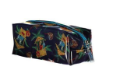 | ACC10220-U-AB | SCOUTS | PENCIL CASE | UNISEX | TRANSPARENT FANTASY | 7.50 | 100% POLYVINYL CHLORIDE | China | AND | 571 | 0 | 0 | 0 | 0 | 0 | 0 | 0 | 0 | 0 | 0 | 571 | #VALUE!
 | ACC10220-U-AC | SCOUTS | PENCIL CASE | UNISEX | TRANSPARENT FANTASY | 7.50 | 100% POLYVINYL CHLORIDE | China | AND | 450 | 0 | 0 | 0 | 0 | 0 | 0 | 0 | 0 | 0 | 0 | 450 | #VALUE!
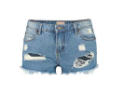 | BRM10125-W-UR | SCOUTS | SHORTS | WOMEN | LOW RISE DENIM | 10.00 | 100% COTTON | China | c | 0 | 0 | 0 | 0 | 0 | 0 | 0 | 0 | 18 | 35 | 55 | 108 | #VALUE!
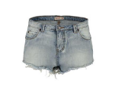 | BRM10127-W-UC | SCOUTS | SHORTS | WOMEN | LOW RISE DENIM | 10.00 | 100% COTTON | China | c | 0 | 0 | 0 | 0 | 0 | 0 | 0 | 0 | 50 | 12 | 47 | 109 | #VALUE!
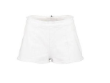 | BRM10239-W-BI | UNIC | SHORTS | WOMEN | HIGH WAIST SEAMS ZIP BEHIND | 10.00 | 98% COTTON 2% ELASTANE | China | Z | 0 | 0 | 0 | 0 | 86 | 74 | 0 | 0 | 0 | 0 | 0 | 160 | #VALUE!
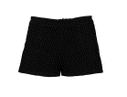 | BRM10239-W-NE | UNIC | SHORTS | WOMEN | HIGH WAIST SEAMS ZIP BEHIND | 10.00 | 98% COTTON 2% ELASTANE | China | Z | 0 | 0 | 0 | 1 | 135 | 67 | 0 | 0 | 0 | 0 | 0 | 203 | #VALUE!
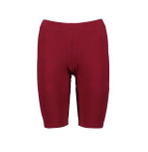 | BRM10243-W-BO | SCOUTS | BERMUDA | WOMEN | CYCLIST | 10.00 | 95% COTTON 5% ELASTANE | Cambodia | Z | 0 | 0 | 59 | 136 | 143 | 63 | 0 | 0 | 0 | 0 | 0 | 401 | #VALUE!
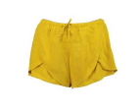 | BRM10246-W-GI | GREEN COVE | SHORTS | WOMEN | CROSSED SPLIT EMBOSSED | 12.50 | 100% VISCOSE | TURKEY | Z | 0 | 0 | 55 | 143 | 168 | 73 | 0 | 0 | 0 | 0 | 0 | 439 | #VALUE!
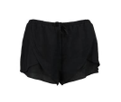 | BRM10246-W-NE | GREEN COVE | SHORTS | WOMEN | CROSSED SPLIT EMBOSSED | 12.50 | 100% VISCOSE | TURKEY | Z | 0 | 0 | 1 | 66 | 101 | 38 | 0 | 0 | 0 | 0 | 0 | 206 | #VALUE!
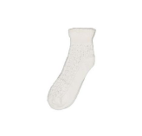 | CLZ10030-W-BI | SCOUTS | SOCKS | WOMEN | PERFORATED | 3.50 | 75% COTTON 25% POLYESTER | China | AND | 92 | 0 | 0 | 0 | 0 | 0 | 0 | 0 | 0 | 0 | 0 | 92 | #VALUE!
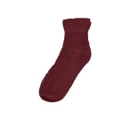 | CLZ10030-W-BO | SCOUTS | SOCKS | WOMEN | PERFORATED | 3.50 | 75% COTTON 25% POLYESTER | China | AND | 333 | 0 | 0 | 0 | 0 | 0 | 0 | 0 | 0 | 0 | 0 | 333 | #VALUE!
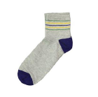 | CLZ10100-W-GR | SCOUTS | SOCKS | WOMEN | THIN STRIPES | 5.00 | 70% COTTON 28% POLYESTER 2% ELASTANE | China | AND | 255 | 0 | 0 | 0 | 0 | 0 | 0 | 0 | 0 | 0 | 0 | 255 | #VALUE!
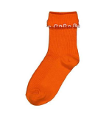 | CLZ10116-W-AR | SCOUTS | SOCKS | WOMEN | CONTRAST PRILLETTA FLAP | 3.00 | 70% COTTON 28% POLYESTER 2% ELASTANE | China | AND | 87 | 0 | 0 | 0 | 0 | 0 | 0 | 0 | 0 | 0 | 0 | 87 | #VALUE!
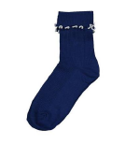 | CLZ10116-W-BL | SCOUTS | SOCKS | WOMEN | CONTRAST PRILLETTA FLAP | 3.00 | 70% COTTON 28% POLYESTER 2% ELASTANE | China | AND | 169 | 0 | 0 | 0 | 0 | 0 | 0 | 0 | 0 | 0 | 0 | 169 | #VALUE!
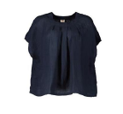 | CMC10292-W-BL | GREEN COVE | SHORT SLEEVE SHIRT | WOMEN | PLEATED CREW NECK | 10.00 | 100% LINEN | China | THE | 0 | 109 | 0 | 152 | 0 | 0 | 0 | 0 | 0 | 0 | 0 | 261 | #VALUE!
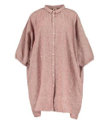 | CMC10293-W-RO | GREEN COVE | 3/4 SLEEVE SHIRT | WOMEN | BARBED LONG | 10.00 | 55% LINEN 45% COTTON | China | AND | 237 | 0 | 0 | 0 | 0 | 0 | 0 | 0 | 0 | 0 | 0 | 237 | #VALUE!
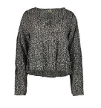 | CMC10368-W-AA | GREEN COVE | LONG SLEEVE SHIRT | WOMEN | DROP NEEDLE FANTASY FLOUNCE | 19.50 | 100% COTTON | INDIA | Z | 0 | 0 | 0 | 24 | 73 | 18 | 0 | 0 | 0 | 0 | 0 | 115 | #VALUE!
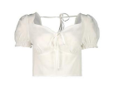 | CMC10391-W-BI | GREEN COVE | SHORT SLEEVE SHIRT | WOMEN | HEART NECK DRAWSTRING | 29.50 | 100% VISCOSE | TURKEY | Z | 0 | 0 | 0 | 6 | 54 | 42 | 0 | 0 | 0 | 0 | 0 | 102 | #VALUE!
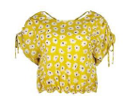 | CMC10438-W-AA | SCOUTS | SHORT SLEEVE SHIRT | WOMEN | SERAFINO WIDE FANTASY LACES | 29.50 | 100% POLYESTER | China | Z | 0 | 0 | 6 | 74 | 90 | 31 | 0 | 0 | 0 | 0 | 0 | 201 | #VALUE!
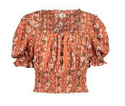 | CMC10457-W-AA | GREEN COVE | SHORT SLEEVE SHIRT | WOMEN | SHORT FANTASY CHECK NECKLINE | 35.00 | 100% VISCOSE | TURKEY | Z | 0 | 0 | 0 | 27 | 66 | 41 | 0 | 0 | 0 | 0 | 0 | 134 | #VALUE!
 | CNO10042-W-COCORAL | SCOUTS | TANK TOP | WOMEN | LONG | 10.00 | 92% COTTON 8% ELASTANE | Italy | Z | 0 | 0 | 0 | 0 | 15 | 0 | 0 | 0 | 0 | 0 | 0 | 15 | #VALUE!
 | CNO10177-W-GI | UNIC | TANK TOP | WOMEN | BOW BEHIND | 10.00 | 77% COTTON 23% LINEN | INDIA | Z | 0 | 0 | 26 | 71 | 117 | 51 | 0 | 0 | 0 | 0 | 0 | 265 | #VALUE!
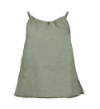 | CNO10177-W-MILITARY | UNIC | TANK TOP | WOMEN | BOW BEHIND | 10.00 | 77% COTTON 23% LINEN | INDIA | Z | 0 | 0 | 0 | 0 | 25 | 11 | 0 | 0 | 0 | 0 | 0 | 36 | #VALUE!
 | CNO10181-W-BO | UNIC | TANK TOP | WOMEN | FLAT RIB WITH WIDE ARM ARMS | 10.00 | 72% POLYESTER 23% VISCOSE 5% ELASTANE | China | THE | 0 | 0 | 123 | 131 | 0 | 0 | 0 | 0 | 0 | 0 | 0 | 254 | #VALUE!
 | CNO10181-W-GI | UNIC | TANK TOP | WOMEN | FLAT RIB WITH WIDE ARM ARMS | 10.00 | 72% POLYESTER 23% VISCOSE 5% ELASTANE | China | THE | 0 | 0 | 106 | 115 | 0 | 0 | 0 | 0 | 0 | 0 | 0 | 221 | #VALUE!
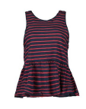 | CNO10183-W-BL | SCOUTS | TANK TOP | WOMEN | STRIPES NECK WIDE FLOUNCE | 10.00 | 100% COTTON | China | THE | 0 | 0 | 102 | 228 | 0 | 0 | 0 | 0 | 0 | 0 | 0 | 330 | #VALUE!
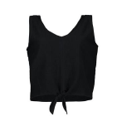 | CNO10192-W-NE | UNIC | TANK TOP | WOMEN | V-NECK KNOT | 10.00 | 100% COTTON | China | THE | 1 | 272 | 0 | 259 | 0 | 0 | 0 | 0 | 0 | 0 | 0 | 532 | #VALUE!
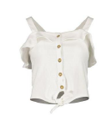 | CNO10193-W-BI | UNIC | TANK TOP | WOMEN | FLOUNCE KNOT BUTTONS | 10.00 | 48% COTTON 48% POLYESTER 4% ELASTANE | China | THE | 0 | 35 | 0 | 150 | 0 | 0 | 0 | 0 | 0 | 0 | 0 | 185 | #VALUE!
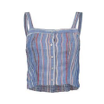 | CNO10194-W-AZ | GREEN COVE | TANK TOP | WOMEN | CHAMBRAY STRIPES EMBROIDERY | 10.00 | 100% VISCOSE | INDIA | Z | 0 | 0 | 0 | 4 | 70 | 80 | 0 | 0 | 0 | 0 | 0 | 154 | #VALUE!
 | CNO10197-W-BL | SCOUTS | TANK TOP | WOMEN | FRAPPA SANGALLO BUTTONS | 10.00 | 100% COTTON | China | Z | 0 | 0 | 18 | 90 | 133 | 48 | 0 | 0 | 0 | 0 | 0 | 289 | #VALUE!
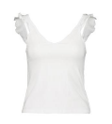 | CNO10199-W-BI | SCOUTS | TANK TOP | WOMEN | V-NECK FLAP SLEEVE | 10.00 | 95% COTTON 5% ELASTANE | Cambodia | Z | 0 | 0 | 3 | 77 | 151 | 87 | 0 | 0 | 0 | 0 | 0 | 318 | #VALUE!
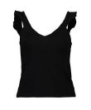 | CNO10199-W-NE | SCOUTS | TANK TOP | WOMEN | V-NECK FLAP SLEEVE | 10.00 | 95% COTTON 5% ELASTANE | Cambodia | Z | 0 | 0 | 0 | 89 | 151 | 87 | 0 | 0 | 0 | 0 | 0 | 327 | #VALUE!
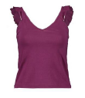 | CNO10199-W-VI | SCOUTS | TANK TOP | WOMEN | V-NECK FLAP SLEEVE | 10.00 | 95% COTTON 5% ELASTANE | Cambodia | Z | 0 | 0 | 53 | 143 | 169 | 76 | 0 | 0 | 0 | 0 | 0 | 441 | #VALUE!
 | CNO10208-W-AB | SCOUTS | TANK TOP | WOMEN | STRIPED COAST | 10.00 | 95% COTTON 5% ELASTANE | China | Z | 0 | 0 | 0 | 0 | 38 | 0 | 0 | 0 | 0 | 0 | 0 | 38 | #VALUE!
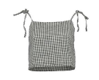 | CNO10210-W-NE | SCOUTS | TANK TOP | WOMEN | VICHY BOWS | 10.00 | 73% COTTON 27% LINEN | INDIA | Z | 0 | 0 | 0 | 0 | 0 | 15 | 0 | 0 | 0 | 0 | 0 | 15 | #VALUE!
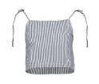 | CNO10211-W-BL | SCOUTS | TANK TOP | WOMEN | STRIPES BOWS | 10.00 | 100% COTTON | INDIA | Z | 0 | 0 | 0 | 70 | 111 | 86 | 0 | 0 | 0 | 0 | 0 | 267 | #VALUE!
 | CNO10226-W-RO | UNIC | TANK TOP | WOMEN | V-NECK KNOT BUTTONS | 10.00 | 73% MODAL 27% POLYESTER | China | Z | 0 | 0 | 0 | 0 | 25 | 24 | 0 | 0 | 0 | 0 | 0 | 49 | #VALUE!
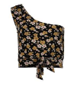 | CNO10233-W-AA | SCOUTS | TANK TOP | WOMEN | ONE SHOULDER FANTASY KNOT | 15.00 | 94% COTTON 6% ELASTANE | China | Z | 0 | 0 | 0 | 28 | 96 | 60 | 0 | 0 | 0 | 0 | 0 | 184 | #VALUE!
 | CNO10239-W-AA | UNIC | TANK TOP | WOMEN | FANTASY PLEATED V-NECK | 35.00 | 100% POLYESTER | China | Z | 0 | 0 | 13 | 27 | 17 | 5 | 0 | 0 | 0 | 0 | 0 | 62 | #VALUE!
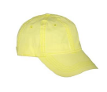 | CPL10076-U-GI | SCOUTS | HAT | UNISEX | UNITED BASEBALL | 7.50 | 100% COTTON | China | AND | 330 | 0 | 0 | 0 | 0 | 0 | 0 | 0 | 0 | 0 | 0 | 330 | #VALUE!
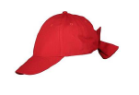 | CPL10099-U-RO | SCOUTS | HAT | UNISEX | BASEBALL STAPLE | 5.00 | 100% COTTON | China | AND | 244 | 0 | 0 | 0 | 0 | 0 | 0 | 0 | 0 | 0 | 0 | 244 | #VALUE!
 | CPL10113-U-BI | STUDENT | VISOR | UNISEX | VELCRO | 5.00 | 100% COTTON | China | AND | 506 | 0 | 0 | 0 | 0 | 0 | 0 | 0 | 0 | 0 | 0 | 506 | #VALUE!
 | CPL10113-U-GI | STUDENT | VISOR | UNISEX | VELCRO | 5.00 | 100% COTTON | China | AND | 727 | 0 | 0 | 0 | 0 | 0 | 0 | 0 | 0 | 0 | 0 | 727 | #VALUE!
 | CPL10113-U-NE | STUDENT | VISOR | UNISEX | VELCRO | 5.00 | 100% COTTON | China | AND | 256 | 0 | 0 | 0 | 0 | 0 | 0 | 0 | 0 | 0 | 0 | 256 | #VALUE!
 | CPL10113-U-RS | STUDENT | VISOR | UNISEX | VELCRO | 5.00 | 100% COTTON | China | AND | 568 | 0 | 0 | 0 | 0 | 0 | 0 | 0 | 0 | 0 | 0 | 568 | #VALUE!
 | PNT10194-W-AZ | GREEN COVE | TROUSERS | WOMEN | STRIPES DRAWSTRING | 10.00 | 54% LINEN 45% COTTON 1% ELASTANE | China | THE | 0 | 1 | 0 | 24 | 0 | 0 | 0 | 0 | 0 | 0 | 0 | 25 | #VALUE!
 | PNT10258-W-AA | GREEN COVE | TROUSERS | WOMEN | FANTASY ELASTIC LOW CROCK | 39.50 | 100% VISCOSE | TURKEY | Z | 0 | 0 | 0 | 32 | 27 | 0 | 0 | 0 | 0 | 0 | 0 | 59 | #VALUE!
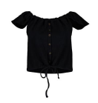 | TSH10595-W-NE | UNIC | SHORT SLEEVE T-SHIRT | WOMEN | DISCOVERED SHOULDERS BUTTONS DRAWSTRING | 10.00 | 48% COTTON 48% POLYESTER 4% ELASTANE | China | THE | 0 | 265 | 0 | 209 | 0 | 0 | 0 | 0 | 0 | 0 | 0 | 474 | #VALUE!
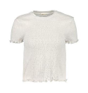 | TSH10733-W-BI | SCOUTS | SHORT SLEEVE T-SHIRT | WOMEN | PRILLETTA EMBOSSED NECKLACE | 10.00 | 95% COTTON 5% ELASTANE | China | Z | 0 | 0 | 1 | 0 | 36 | 15 | 0 | 0 | 0 | 0 | 0 | 52 | #VALUE!
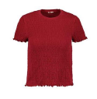 | TSH10733-W-RO | SCOUTS | SHORT SLEEVE T-SHIRT | WOMEN | PRILLETTA EMBOSSED NECKLACE | 10.00 | 95% COTTON 5% ELASTANE | China | Z | 0 | 0 | 0 | 5 | 37 | 32 | 0 | 0 | 0 | 0 | 0 | 74 | #VALUE!
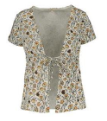 | TSH10747-W-AA | SCOUTS | SHORT SLEEVE T-SHIRT | WOMEN | CARDIGAN WITH FANTASY LACES | 15.00 | 94% COTTON 6% ELASTANE | China | Z | 0 | 0 | 22 | 53 | 57 | 36 | 0 | 0 | 0 | 0 | 0 | 168 | #VALUE!
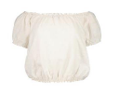 | TSH10908-W-PA | SCOUTS | SHORT SLEEVE T-SHIRT | WOMEN | DISCOVERED SHOULDERS | 19.50 | 100% COTTON | China | Z | 0 | 0 | 1 | 3 | 52 | 53 | 0 | 0 | 0 | 0 | 0 | 109 | #VALUE!
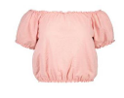 | TSH10908-W-RS | SCOUTS | SHORT SLEEVE T-SHIRT | WOMEN | DISCOVERED SHOULDERS | 19.50 | 100% COTTON | China | Z | 0 | 0 | 38 | 94 | 149 | 77 | 0 | 0 | 0 | 0 | 0 | 358 | #VALUE!
 | TTA10057-W-BL | SCOUTS | SHORT SUIT | WOMEN | SM STRIPES | 15.00 | 100% COTTON | China | Z | 0 | 0 | 4 | 14 | 78 | 20 | 0 | 0 | 0 | 0 | 0 | 116 | #VALUE!
 | VST10257-W-NE | UNIC | DRESS | WOMEN | SHORT SM V-NECK CROSSING LATERAL KNOT | 19.50 | 48% COTTON 48% POLYESTER 4% ELASTANE | China | Z | 0 | 0 | 0 | 87 | 134 | 38 | 0 | 0 | 0 | 0 | 0 | 259 | #VALUE!
 | VST10265-W-UM | SCOUTS | DRESS | WOMEN | DENIM LINEN WHEEL BIB | 19.50 | 75% LINEN 25% COTTON | bangladesh | Z | 0 | 0 | 18 | 124 | 149 | 44 | 0 | 0 | 0 | 0 | 0 | 335 | #VALUE!
 | VST10266-W-US | SCOUTS | DRESS | WOMEN | SM DENIM BUTTONS | 19.50 | 100% COTTON | bangladesh | Z | 0 | 0 | 15 | 172 | 202 | 90 | 0 | 0 | 0 | 0 | 0 | 479 | #VALUE!
 |  |  |  |  |  |  |  |  |  |  |  |  |  |  |  |  |  |  |  |  | 15,777 | #VALUE!

